Intro


This Financial Dashboard Template was developed for you by American Nonprofits

American Nonprofits is a nonprofit, community development financial instituion (CDFI) formed by a group
of nonprofit leaders to serve as a platform to address issues of finance, credit, strategy and accountability.
Our goal is to bring financial resources to the nonprofit sector in a sustainable and impactful manner.

This template was developed for use by the nonprofit community free of charge.

For more information, templates and resources visit | https://www.americannonprofits.org/

Contact Us

Marc Rand, Executive Director
(415) 577-1420
mrand@americannonprofits.org

Financial Ratios
 | 2019-06-30 | 2020-06-30 | 2021-06-30 |  | This Financial Ratios sheet uses data from the three Entry sheets to compute financial ratios and create the charts that used in the Dashboard sheets. No entry or changes to this tab are required.

Balance Sheet
Current Ratio | #DIV/0! | #DIV/0! | #DIV/0!
Cash Expenses Per Day | $0 | $0 | $0
Cash on Hand | #DIV/0! | #DIV/0! | #DIV/0!
Leverage | #DIV/0! | #DIV/0! | #DIV/0!

Income Statement
Revenue Reliance
Grants | #DIV/0! | #DIV/0! | #DIV/0!
Donations | #DIV/0! | #DIV/0! | #DIV/0!
Corporate Grants | #DIV/0! | #DIV/0! | #DIV/0!
Government Grants | #DIV/0! | #DIV/0! | #DIV/0!
In-kind Donations | #DIV/0! | #DIV/0! | #DIV/0!
Program Service Fees | #DIV/0! | #DIV/0! | #DIV/0!
Self-Sufficiency Ratio | #DIV/0! | #DIV/0! | #DIV/0!

Ratio Definitions and Benchmarks

Ratio | Definition |  | Entity | Range | Benchmark
Current Ratio | Current Assets/Current Liabilities |  |  | Too Low | Under 1.0
 |  |  |  | Average | 1
 |  |  | 11.9 | Too High | Above 2.0

Cash Expenses Per Day | Total Expenses-Depreciation/365 |  | $0 | Depends on org

Cash on Hand | Unrestricted Cash/Cash Expenses per Day |  | #DIV/0! | Too Low | Under 90 days

Leverage | Total Liabilities/Total Net Assets |  | #DIV/0! |  | none

Revenue Reliance | Revenue Source/Total Revenue |  |  | Too Low | Under 15%
 |  |  |  | Average | 30%
 |  |  |  | Too High | 50% and above

Self-Sufficiency | Earned Revenue/Total Expenses |  |  | Too Low | Under 10%
 |  |  | #DIV/0! | Average | 40%
 |  |  |  | Too High | Depends on Org

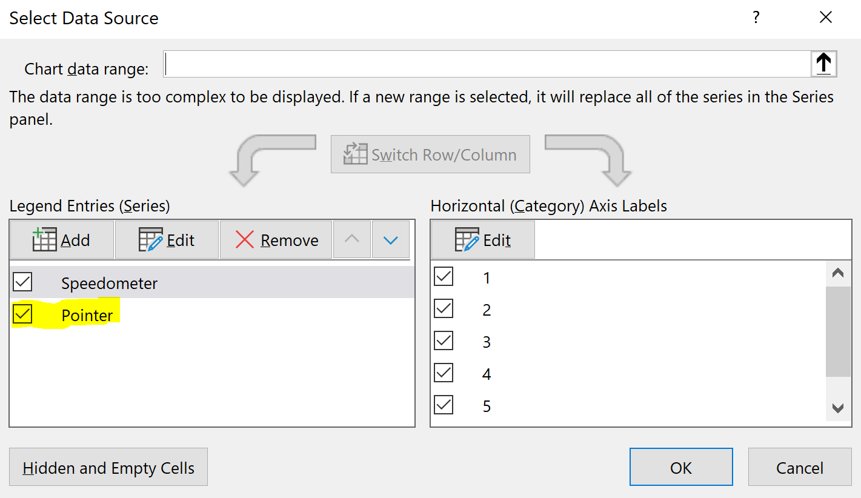
Cash on Hand
Under
30 Days
Over 90 Days
30-60 Days
60-90 Days
Cash on Hand | Definition |  | Actual | Best Practice | Range |  | Cash on Hand Speedometer Chart |  |  |  | To edit the speedometer ring colors:
Unrestricted Cash/Cash Expenses Per Day: |  |  | #DIV/0! | 90-180 days | less than 30 days |  | Speedometer | Values | Pointer | Values | click on Select Data
 |  |  |  |  | 30-60 days |  | start | 0% | Achieved | #DIV/0! | Uncheck the Pointer box
 |  |  |  |  | 60-90 days |  | increment 1 | 25% | Width | 3% | edit colors
 |  |  |  |  | over 90 days |  | increment 2 | 25% | End | #DIV/0!
 |  |  |  |  |  |  | increment 3 | 25%
 |  |  |  |  |  |  | increment 4 | 25%
 |  |  |  |  |  |  | end (invisible) | 100%
 |  |  |  |  |  |  |  | 200%

 |  |  |  |  |  | ranges | increments | %
 |  |  |  |  |  | 0-30 | 30 | 25% |  |  |  | Cash Expense per Day: | $0
 |  |  |  |  |  | 30-60 | 30 | 25% |  |  |  | Days of Cash on Hand: | #DIV/0!
 |  |  |  |  |  | 60-90 | 30 | 25%
 |  |  |  |  |  | 90 | 30 | 25%
 |  |  |  |  |  | sum | 120 | 100%

Current Ratio
Current Ratio | Definition |  | Actual | Best Practice | Range |  | Speedometer Chart
 |  | Current Assets/Current Liabilities: | 11.9 | Too Low | Under 1.0 |  | Speedometer | Values | Pointer | Values
 |  |  |  | Average | 1 |  | start | 0% | Achieved | 85%
1.0
 |  |  |  | Too High | Above 2.0 |  | increment 1 | 20% | Width | 4%
 |  |  |  |  |  |  | increment 2 | 20% | End | 111%
Under
1.0
Over 1.0
 |  |  |  |  |  |  | increment 3 | 20% | Sum | 200%
 |  |  |  |  |  |  | increment 4 | 20%
 |  |  |  |  |  |  | increment 5 | 20% |  |  |  |  | Current Assets/Current Liabilities: | 11.9
 |  |  |  |  |  |  | end (invisible) | 100%
 |  |  |  |  |  |  |  | 200%
 |  |  |  |  |  | ranges | increments | %
 |  |  |  |  |  | 0-1 | 1 | 33%
 |  |  |  |  |  | 1-2 | 1 | 33%
 |  |  |  |  |  | 2-3 | 1 | 33%
 |  |  |  |  |  | sum | 3 | 3%

Self-Sufficiency% of Expenses covered by Earned Income
0%
100%
50%
Self-Sufficiency | Definition |  | Actual | Best Practice | Range |  | Speedometer Chart
Fee for Services |  | Earned Revenue/Total Expenses: | #DIV/0! | depends on mission and funding model | Under 20% |  | Speedometer | Values | Pointer | Values
 |  |  |  |  | 20%-50% |  | start | 0% | Achieved | #DIV/0!
 |  |  |  |  | 50%-100% |  | increment 1 | 10% | Width | 3%
 |  |  |  |  |  |  | increment 2 | 10% | End | #DIV/0!
 |  |  |  |  |  |  | increment 3 | 10%
 |  |  |  |  |  |  | increment 4 | 10%
 |  |  |  |  |  |  | increment 5 | 10%
 |  |  |  |  |  |  | increment 6 | 10%
 |  |  |  |  |  |  | increment 7 | 10%
 |  |  |  |  |  |  | increment 8 | 10%
 |  |  |  |  |  |  | increment 9 | 10%
 |  |  |  |  |  |  | increment 10 | 10%
 |  |  |  |  |  |  | end (invisible) | 100%
 |  |  |  |  |  |  |  | 200%

Revenue Reliance
Ideal 50% max
Ideal 15% min
Revenue Reliance | Definition |  | Actual
Individual Donations |  |  | #DIV/0! |  |  |  | Ideal minimum |  | 15%
Foundation Grants |  |  | #DIV/0! |  |  |  | Ideal maximum |  | 50%
Corporate Grants |  |  | #DIV/0!
Government Grants |  |  | #DIV/0!
Earned Revenue |  |  | #DIV/0!

Schedule of Liabilities | Balance | Terms |  | Instructions for Dashboard:
Grants Payables | $0 | 30 days |  | Copy table to left, right click, and paste table as a Linked Image into the Dashboard.
Notes Payable | $0 | 2 years @ 0%
 |  |  |  | Right click menu:
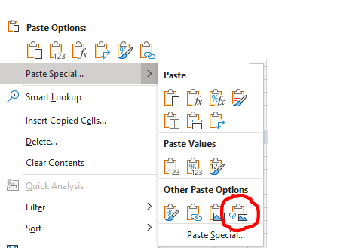

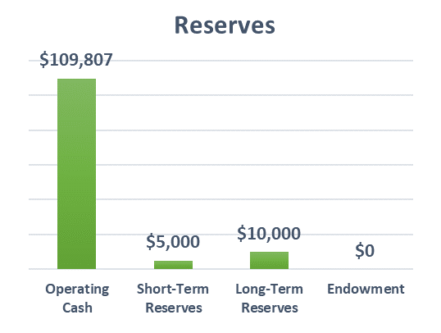
Reserves | 44196

Operating Cash | $0
#REF! | #REF!
Long-Term Reserves | $0
Endowment | $0

Dashboard Pg1
Revenue Sources
 | Revenue
Grants
Donations
Program Service Revenue
Expenses
Personnel
Client Trainings
Accounting
Occupancy
Supplies, Phone, IT
Travel & Conferences
Insurance
Stipends
Other
 |  |  | Instructions
 |  |  | Dashboard charts are created from data entered on the Income, Balance Sheet and Cash Flow sheets, or from data derived on the Financial Ratios sheet. Do not enter data on this tab other that comments in the comments boxes. Use the comment box under each chart to provide context, progress and/or explain the significance of each dashboard element.

 |  |  | Page One Sources: Income Statement Entry sheet

 |  | Depreciation not included.

Revenue Sources Over Time
 | Grants | Donations | Program Service Revenue
43465
43830
44196
Expenses Over Time
 | Personnel | Stipends | Other | Client Trainings
43465
43830
44196

Revenues platued from 2019 to 2020 due to impact of Covid on individual donations. |  | Personnel expenses are the primary expense at 77% of total expenses.

Self-Sufficiency Ratio% of expenses covered by Earned Revenue
 | Speedometer | Pointer
 | 0% | 0%
 | 10% | 3%
 | 10% | 0%
 | 10%
 | 10%
 | 10%
 | 10%
 | 10%
 | 10%
 | 10%
 | 10%
 | 100%
0%
100%
50%
Change in Net Assets
 | Total Revenue | Total Expenses | Change in Net Assets
43465 | $0 | $0 | $0
43830 | $0 | $0 | $0
44196 | $0 | $0 | $0

Ratio = | #DIV/0!

Self-sufficiency varies greatly by business model. For example, theatre groups and museums have a high level of earned income from ticket sales and memberships. |  | Revenue exceeded expenses once in the last three years.

Dashboard Pg2
Cash on Hand
 | Speedometer | Pointer
 | 0% | 0%
 | 25% | 3%
 | 25% | 0%
 | 25%
 | 25%
 | 100%
Cash on Hand Trend(days)
 | Cash on Hand
43465 | -
43830 | -
44196 | -
 |  |  | Source: Balance Sheet

30-60 Days
60-90 Days

Under
30 Days
Over 90 Days

Days of Cash
on Hand = | #DIV/0!

Cash on hand indicates the nunber of days of operating expense that can be supported with available cash. Maintaining a 90 day cushion is ideal to weather shocks. |  | Current cash on hand is significantly lower than prior years. This should be alleviated upon reciept of federal grant next month.

Projected Cash Flows
 | Projected Cash Flow
Jan-21 | $0
Feb-21 | $0
Mar-21 | $0
Apr-21 | $0
May-21 | $0
Jun-21 | $0
Jul-21 | $0
Aug-21 | $0
Sep-21 | $0
Oct-21 | $0
Nov-21 | $0
Dec-21 | $0
Projected Month-end Cash Balance
 | Ending Cash Balance
Jan-21 | $0
Feb-21 | $0
Mar-21 | $0
Apr-21 | $0
May-21 | $0
Jun-21 | $0
Jul-21 | $0
Aug-21 | $0
Sep-21 | $0
Oct-21 | $0
Nov-21 | $0
Dec-21 | $0

Operating expenses are largely subsidized from reciept of federal grants in March and June and from year-end individual giving. |  | Our operational goal is to maintian a cash balance of $150,000 which is about 75 days of cash on hand.

Fundraising Progress
 | YTD21
Grants
Donations

Optional box to show fundraising progress relative to goals for year

Dashboard Pg3
Balance Sheet Trends
 | Total Assets | Total Liabilities | Total Net Assets
43465 | $0 | $0 | $0
43830 | $0 | $0 | $0
44196 | $0 | $0 | $0
Leverage Over Time (Total Liabilities/Total Net Assets)
 | Leverage
43465 | -
43830 | -
44196 | -
 |  |  | Source: Income Statement

Liabilties increased in FY 2020 due to $50,000 zero cost loan for COVID recovery efforts. |  | The Leverage Ratio helps assess our ability to meet debt obligations. A high ratio (over 1.0) indicates aggressive use of debt to finance operations.

Current Ratio
 | Pointer | Speedometer
 | 85% | 0%
 | 4% | 20%
 | 111% | 20%
 |  | 20%
 |  | 20%
 |  | 20%
 |  | 100%
Schedule of Liabilities

 |  |  | email marc

Current
Ratio = | 11.9

The current ratio is a measure of ability to pay short-term obligations due within one year. It compares current assets to current liabilities. A ratio of 1.0 means they are equal. |  | Liabilities consist of Accounts Payable to invoices due to consultants and vendors; and Notes Payable for $50,000 loan obtained in March to fund COVID relief efforts.

Staffing Levels Over Time
 | Headcount
12/31/18
12/31/19
12/31/20
YTD21
Reserves
Operating Cash | $0
#REF! | $0
Long-Term Reserves | $0
Endowment | $0

Personnel cost is the largest driver of expenses, and key to delivering services. We have not laid anyone off due to COVID. |  | The organization seeks to grow short-term reserves from operating surpluses and long-term reserves from contributions in support of for long-term sustainability.

